Bathroom Types
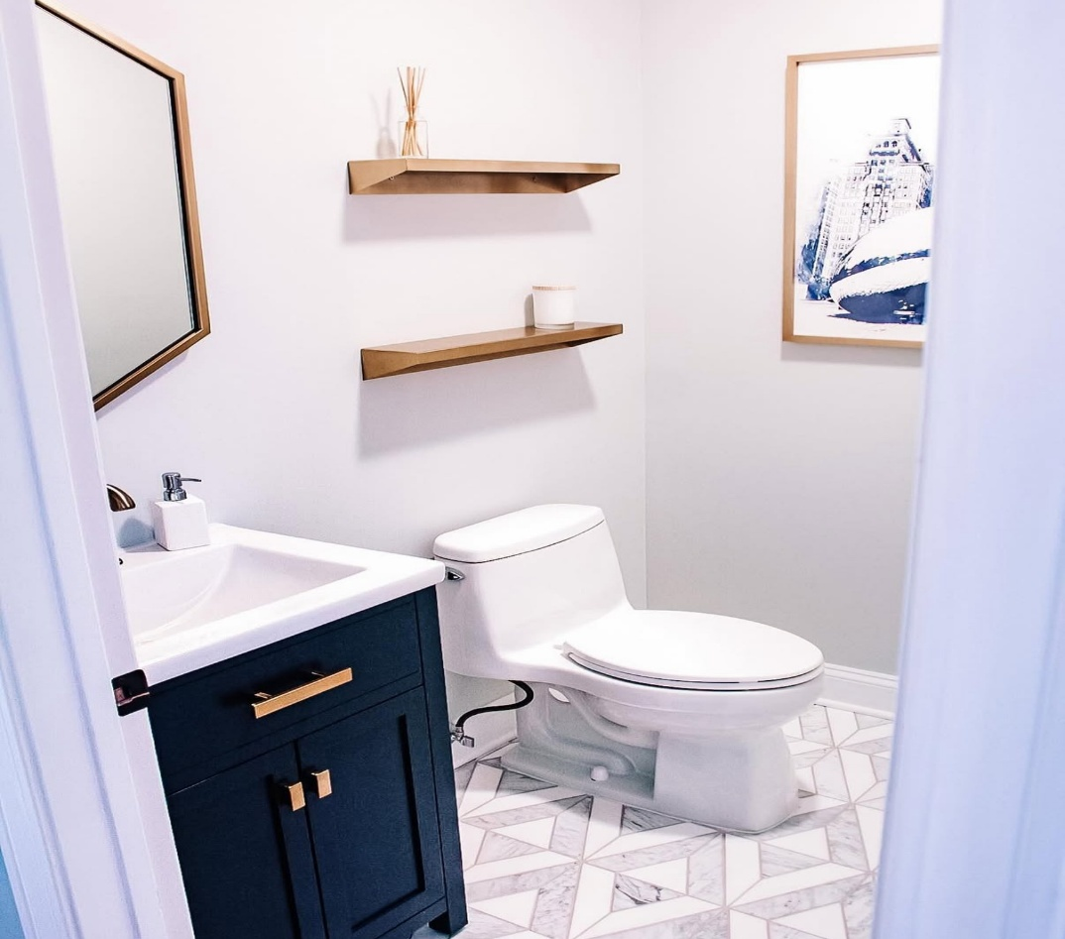
Four Piece (FP)
A larger bathroom with a toilet, sink (often a double vanity), plus a separate shower and bathtub
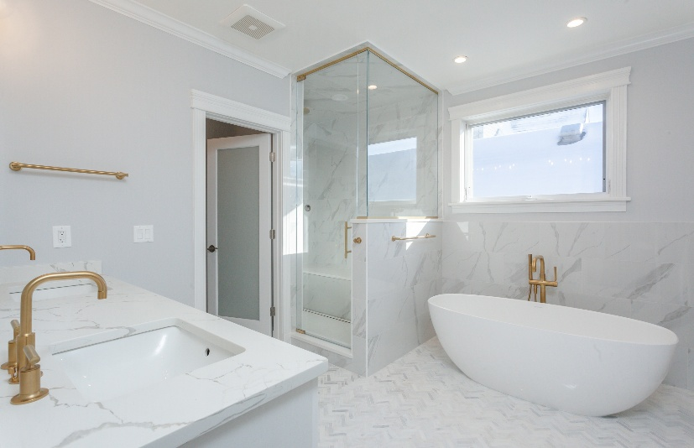

Three Piece - With Shower (TPS)
Includes a toilet, sink, and a walk-in shower after the remodel, even if there’s a tub currently.
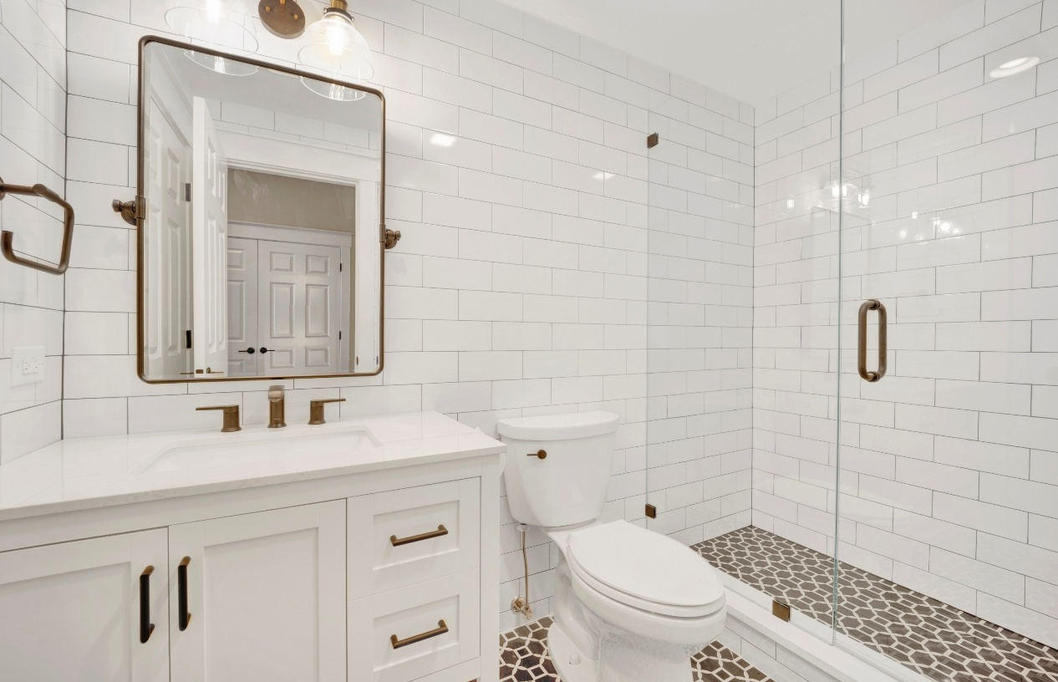

Three Piece - With Tub (TPT)
Includes a toilet, sink, and a bathtub after the remodel, even if there is a shower to currently
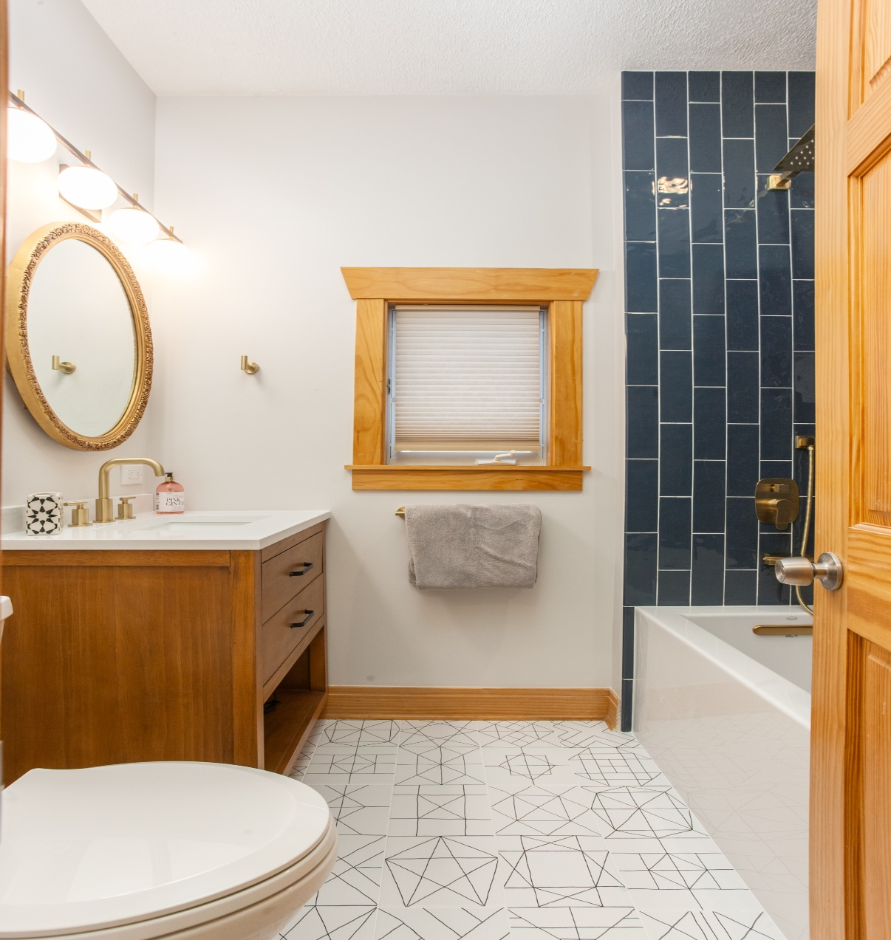

Two Piece (TP)
A small bathroom with just a toilet and sink—no tub or shower.

